TITLE PAGE
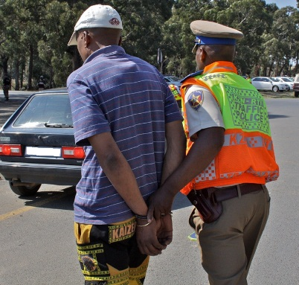

ANNEXURE 1

ENFORCING ENFORCEMENT

By SUNITA BOODRAM

23-Dec-19

