Background information
What are provincial roads?
The definition of 'road' includes road layerworks and pavement, road structures (bridges, culverts, sidewalks), and road furniture (signage, signals, traffic calming)
Excludes other activities undertaken by provincial departments (road safety campaigns, vehicle testing, public transport regulation etc.) Excludes other activities undertaken by provincial departments (Road safety campaigns, vehicle testing, public transport regulation etc.) It excludes
The review focusses on proclaimed provincial roads only.
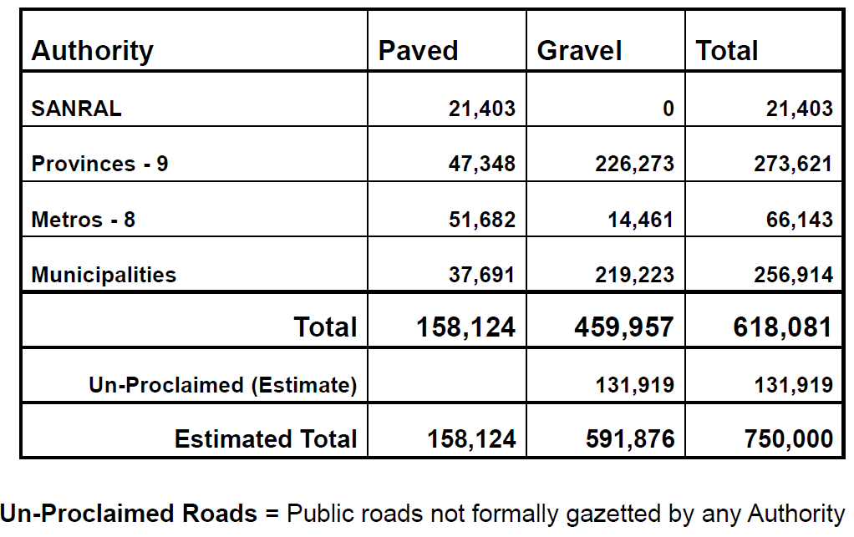

Roads policy is defined in two key documents:
Roads Infrastructure Strategic Framework of South Africa (RISFSA) (2006)
Roads Infrastructure Asset Management Plan (RIAMP) (draft v2.0 dated June 2013)

These policy documents are supported by a large number of technical documents (Technical Recommendations for Highways (TRH) and Technical Manuals for Highways (TMH) )
documents, with the most relevant TRH and TMH documents for this project being TRH22 (COTO (1994) Pavement Management Systems) and TMH22 (COTO (March 2013) Road Asset Management Manual DRAFT v 8b).
The latter remains in draft form at the time of this project.

Vision ex Roads Infrastructure Strategic Framework of South Africa (RISFSA):
Achieve an integrated road network system that is managed efficiently by adequately resourced roads authorities providing access and mobility to all South Africans in a sustainable manner.

Falls under Outcome 6 in NDP:
An efficient, competitive and responsive economic infrastructure network.

Provincial strategic goals:
Expand and maintain sustainable transport infrastructure.

Maintain = manage existing network to ensure continued mobility
Expand = extend network to ensure access

NDoT broad strategic objectives
Reduce transport costs
Encourage competitive transport costs
Improve safety and security
Reduce infrastructure backlogs
Improve access
Reduce time in transit

NDP vision for the transport sector
Improved access to economic opportunities, social spaces and services by connecting geographic distances affordably, reliably and safely;
Economic development by supporting the movement of goods from production points to consumption points and enabling regional and international trade;
Providing transport alternatives that support minimal environmental harm while increasing mobility of people and goods.

What activities are undertaken on roads?
Category | Sub-category | Definition in TMH22
Routine maintenance | Cyclical | Routine cyclical activities carried out on daily basis (blading, drainage maintenance, road reserve and vegetation maintenance, maintenance of ancillary components)
 | Condition based | Condition or event driven activities carried out at short notice (drainage repair, waterway repair, crack sealing and repatching, repair of cut and fill slopes, reinstatement of line markings, minor repair of structures, spot regravelling, reshaping unpaved roads)
Periodic maintenance | Periodic maintenance | Long term cyclical activities including surfacing rejuvenation and thin slurries
 | Resurfacing | Regravelling, resealing pavement surface using chip and spray or thin overlay
Special maintenance | Special maintenance | Resurfacing preceded by extensive patching and repair, major repair to damage
Rehabilitation | Rehabilitation | Repairs to pavement to restore condition and functionality
 | Reconstruction | Reconstruction or replacement of asset
Betterment |  | Upgrades to elements of asset such as alignment and drainage improvements, intersection improvements, accident black spot elimination, bridge strengthening
Expansion |  | Increase in number of lanes (including structures)
Upgrading |  | Change in road type
New roads
Ancillary assets |  | Weighbridges or other major ancillary assets

Factors influencing performance of road
Time: a pavement will deteriorate over time even in the absence of traffic.
Traffic: roads are designed to withstand a certain number of standard axle repititions (E80s) over a period (typically about 20 years). Higher traffic will reduce the life of the road.
Moisture: moisture entering the pavement structure weakens the support strength of the sub-grade and results in pavement failure.
Sub-grade: if sub-grade is too weak, pavement will flex excessively and ultimately fail.
Construction quality: failure to properly compact, too much moisture during construction, quality of materials and accurate layer thickness all affect the performance of the pavement.
Maintenance: maintenance limits the deterioration of the pavement over time and ensures that the road reaches its design life.

Why maintain roads?
Provide smooth riding surface.
Provide surface friction.
Protect sub-grade.
Provide waterproofing.

Economic cost of maintenance delay
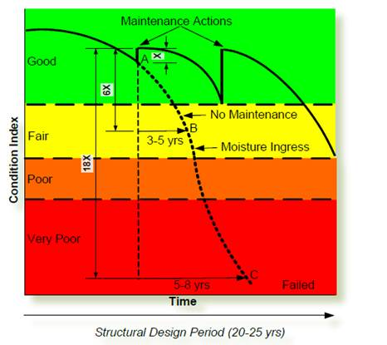

COTO (2014) estimates that delaying maintenance by 3 to 5 years raises cost 6x. So for every 1km of road allowed to deteriorate to level B in the diagram above before being maintained, 6km fewer can be maintained at level A.

Higher costs are also borne by road users. 6th State of Logistics Survey estimated that moving from a good condition to a bad condition road increases truck maintenance and repair costs by 121%.

A similar logic applies to preventative maintenance compared to rehabilitation
Timeously resealing a paved road delays the need for rehabilitation, which is far more expensive. The window for resealing only exists when the road is in fair condition.
If adequate resealing is not carried out at the required time, then rehabilitation becomes necessary.
Note that with no budget constraint,

Definition of road asset management in RIAMP:
“a strategic approach that identifies the optimal allocation of resources for the management, maintenance, operation, preservation and enhancement of road asset infrastructure in order to meet the needs of current and future customers”.

Theory of Change is thus:
Implementing road activities at optimal timing and frequency will ensure that roads achieve their design life in adequate condition, and access and mobility are thus maintained at minimal total cost.

In an ideal world, roads authorities gather data on roads condition and usage, identify projects to be undertaken based on condition and usage compared to benchmarks, implement projects and monitor impacts on condition and usage.

Critically, this assumes sufficient budget to implement all projects required, as well as technical capacity to implement work (either internally or external SPs) and project management capacity.
Scheduling is a largely technical activity: projects are identified based on technical data and then the correct intervention is identified and implemented.

The overall condition of the road network does not deteriorate and so the budget demand for the next year remains roughly the same.

In a constrained budget environment, a series of activities related to project prioritisation and scheduling is introduced. The planning and optimisation stage becomes very important.
Project selection and scheduling is no longer a purely technical exercise. There are a number of policy imperitives on roads authorities (ensuring equitable provision of services
and employment creation for example) that also come into play.

The overall condition of the road network deteriorates over time, leading to ever-increasing demands for budget (because deferring roads activities makes them more expensive).

Impacts, outcomes, outputs
Impacts | Sustainable economic and social development
Indicator / Measure | Employment: employment opportunities within x travel time
Indicator / Measure | Trade: volume of trade between x and y regions
Indicator / Measure | Health attendance: number of visits to clinics, number of supervised births
The impact and direct impact indicators are taken from a European Commission document available on http://ec.europa.eu/europeaid/how/evaluation/methodology/impact_indicators/wp_trans_en.pdf
Indicator / Measure | School attendance
Data source
Direct impact of provincial roads
Indicator / Measure | Transport cost as % of GDP
Data source | Annual State of Logistics Surveys conducted by CSIR
Indicator / Measure | Employment generated through road construction and maintenance
Data source
Indicator / Measure | Access to social services: population living within x km of school, clinic or government office
Data source
Indicator / Measure
Data source

Outcomes | Access and mobility is provided to all South Africans in a sustainable manner
Indicator / Measure | Mobility: Reduced travel time
Data source
Indicator / Measure | Access: population living within 10 km of proclaimed road network
Data source
Indicator / Measure | Access: km of road per 1000 sqkm area
Data source
Indicator / Measure
Data source

Outputs | Efficiently managed, integrated road network system
Indicator / Measure | Km of gravel network with Average Daily Traffic exceeding of 300 vehicles a day (benchmark varies between 250 and 400 vehicles a day)
Data source
Indicator / Measure | Network Condition Number (NCN)
Data source
Indicator / Measure | Average network Visual Condition Index: TMH22 provides benchmarks for minimum VCI per road class.
Data source
Indicator / Measure | % of network in very poor and poor: international benchmark is 10% or less.
Data source
Indicator / Measure | % of paved network in fair condition: benchmark of 25%
Data source
Indicator / Measure | Gravel thickness: Effective blading requires a minimum gravel thickness of 50mm. 25mm is considered the minimum acceptable gravel thickness.
Data source

NDoT
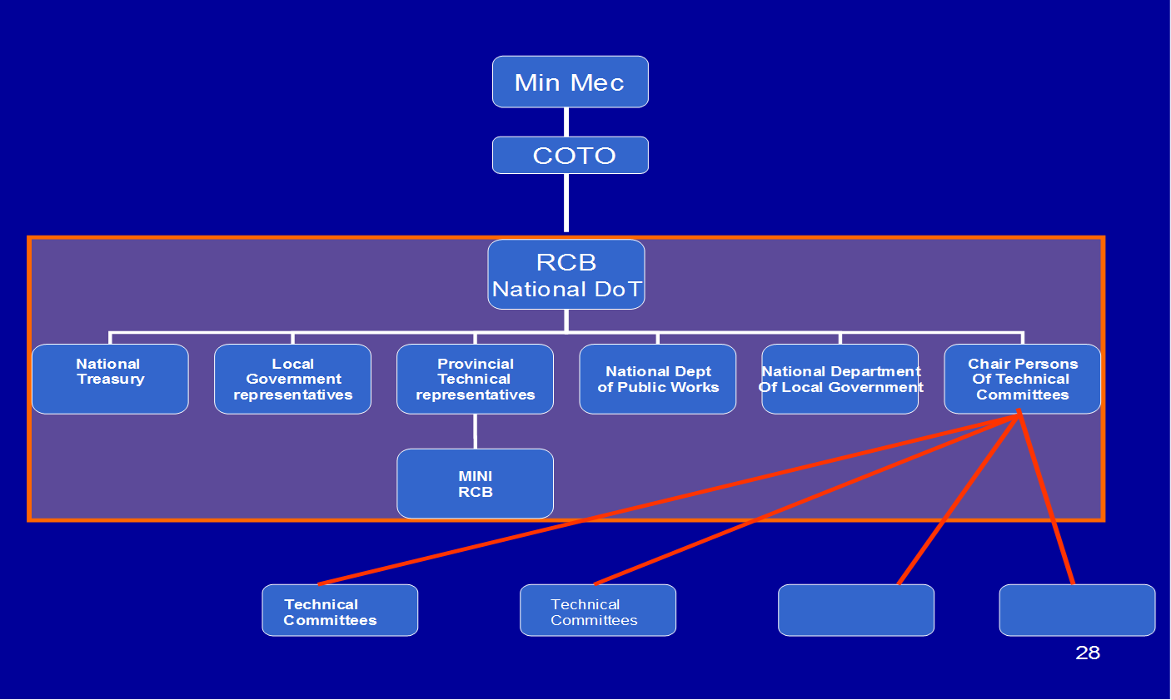
Provincial Roads
 | National DoT and the Roads Coordinating Body (RCB)1

Intermediate Outputs | Clear policy, strategy, plans and guidelines are in place | Standards and norms in place for all road classes | Benchmarks are in place for key roads indicators to guide roads authorities in prioritising funding allocations | Total funding envelope for provincial roads has been established | Comment and input made on policy, strategy, guidelines, norms, standards and bencmkarks | Every national or provincial road is classified in accordance with TRH26 | Every national and provincial road appears on the asset register of a roads authority | PRMG funding is allocated equitably between provinces | Provinces are funded and can thus begin prioritised project design stage | Reports are prepared on compliance with PRMG conditions and DoRA | Report on progress during evaluation period

Process / Activities | Approve Policy |  | Inform roads authorities of approved benchmarks | Propose funding envelope for provincial roads
Indicator / Measure
Process / Activities | Obtain input and comment from COTO, RCB and other stakeholders |  | Obtain input and comment from COTO, RCB and other stakeholders | Review available funding sources |  | Monitor progress in road classification |  | Calculations are performed annually |  | Performance is summarised in a report
Indicator / Measure
Process / Activities | Appoint service provider | Ensure the development of norms and standards through COTO | Propose benchmarks based on international best practice and local conditions | Receive data on funding needs from provinces | Review documentation produced through NDoT and provide comment and advice | Instruct SANRAL and Provincial authorities to classify roads | Roads are gazetted as their new classification | Gather and maintain data required by PRMG formula | Direct transfers made to provincial authorities | Reporting from provinces is collected and analysed
Indicator / Measure
Current Programme Elements | Develop policy, strategies, plans and guidelines to guide roads authorities | Develop technical norms and standards to guide roads authorities | Recommend benchmarks for key road indicators to guide roads authorities in project prioritisation | Develop position on overall funding needs for provincial roads | Provide comment and input to policy, strategies, guidelines, norms, standards and benchmarks | Classify national and provincial roads | Proclaim national and provincial roads | Calculate PRMG allocations to provinces | Transfer PRMG allocations to provinces | Monitor provincial compliance with PRMG conditions and DoRA | Evaluate

Responsibility | NDoT | NDoT | NDoT | NDoT | RCB | NDoT | NDoT | NDoT | NDoT | NDoT | NDoT

 | 1. The RCB is made up of Dept of Transport (Chair), National Treasury, CoGTA, Provincial road authorities (9) & Limpopo Road Agency, Metropolitan road authorities (8) & Jo’burg Road Agency, SANRAL, SALGA, DPW (for EPWP focus). Attendees are usually chief engineers, DG and DDGs from the provinces.

