Cover
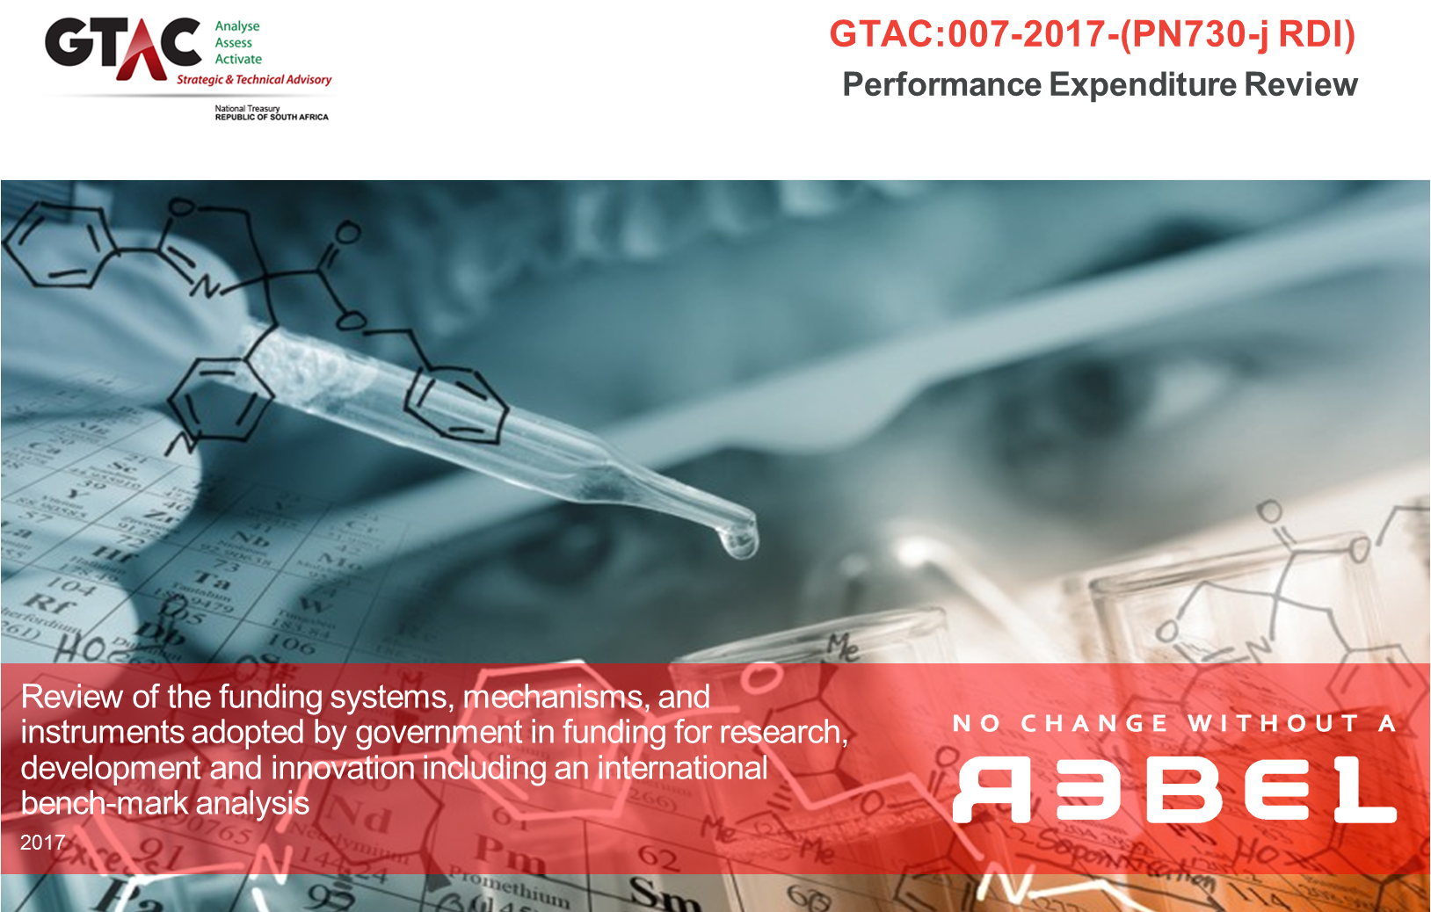

COSTING MODEL

Version: | 5.2
Date: | 7-Mar-18

5. Trade-Offs
Review of the funding systems, mechanisms, and instruments adopted by government in funding for research, development and innovation including an international bench-mark analysis
Reference: GTAC:007-2017-(PN730-j RDI)
COSTING MODEL
Version: | 5.2
Date: | 7-Mar-18

The below information can be manipulated from drop-down menus and inputs. Blue Cells indicate locations for direct inputs, Red cells indicate dropdown menus.

TRADE-OFFS BASED ON PAST EXPENDITURE

Explanation of tables below:
The below data and tables provide an examination of the contribution of each actor to the total BAS R&D expenditure as well as their Return on Investment value. Both actor contribution to BAS R&D expenditure and Return on Investment value are presented graphically. The Base Year can also be switched between 2014/15 and 2015/16 to tailor the analysis to specific years of data available. This information utilised in this table is provided for in 5. Summary Sheet.

Base Year: | 2014/15

Actor | BAS R&D Expenditure Estimate | Contribution to Total BAS R&D Expenditure | Total Monetised Research Output | Return on Investment (ROI) | Contribution to Total BAS R&D Expenditure |  |  |  |  | Return on Investment (ROI) Ratio
 | ZAR | % | ZAR

Higher Education Institute | 3.21
Science Council | 0.16
National Department | 0.01
Provincial Department | 0.00
Other Public Bodies | 0.00
Government Research Institute | 0.07
State Owned Enterprise | 0.19
Total | 0.87
Higher Education Institute | 3,090,000,000 | 24.3% | 9,927,832,278 | 3.21
Science Council | 4,857,000,000 | 38.1% | 754,147,731 | 0.16
National Department | 740,000,000 | 5.8% | 6,561,300 | 0.01
Provincial Department | 426,000,000 | 3.3% | 2,600 | 0.00
Other Public Bodies | 629,000,000 | 4.9% | 31,500 | 0.00
Government Research Institute | 1,669,000,000 | 13.1% | 116,321,108 | 0.07
State Owned Enterprise | 1,322,000,000 | 10.4% | 252,551,100 | 0.19

Total | R12,733,000,000 | 100% | R11,057,447,616 | 0.87

SCENARIO 1: EXAMINATION OF RETURN ON INVESTMENT POTENTIAL

Explanation of tables below:
The tables below allow for the user to input their own desired targets for ROI per actor as indicated in the Blue cells. By providing inputs into the "Target ROI Ratio," a Target Monetised Research Output will generate to show expected output given BAS R&D expenditure. The final table will show the gap between Current Montised Output (given the selected base year) and the target output amount. It is also possible to select the base year for the tables (either 2014/15 or 2013/14).

Base Year: | 2014/15

Actor | BAS R&D Expenditure Estimate | Contribution to Total BAS R&D Expenditure | Existing Total Monetised Research Output | Existing ROI Ratio | Target ROI Ratio |  | Target Monetised Research Output |  |  | Gap between Current Monetised Output and Target
 | ZAR | % | ZAR |  |  |  | ZAR |  |  | ZAR

Higher Education Institute | 3,090,000,000 | 23.8% | 9,927,832,278 | 3.21 | 3.21 |  | 9,927,832,278 |  |  | -
Science Council | 4,857,000,000 | 37.4% | 754,147,731 | 0.16 | 1.00 |  | 4,857,000,000 |  |  | (4,102,852,270)
National Department | 740,000,000 | 5.7% | 6,561,300 | 0.01 | 0.01 |  | 6,561,300 |  |  | -
Provincial Department | 426,000,000 | 3.3% | 2,600 | 0.00 | 0.00 |  | 2,600 |  |  | -
Other Public Bodies | 629,000,000 | 4.8% | 31,500 | 0.00 | 0.50 |  | 314,500,000 |  |  | (314,468,500)
Government Research Institute | 1,669,000,000 | 14.7% | 116,321,108 | 0.07 | 0.50 |  | 834,500,000 |  |  | (718,178,892)
State Owned Enterprise | 1,322,000,000 | 10.2% | 252,551,100 | 0.19 | 1.00 |  | 1,322,000,000 |  |  | (1,069,448,900)

Total | R12,733,000,000 | 100% | R11,057,447,616 | 0.87 | 6.22 |  | R17,262,396,178 |  |  | -R6,204,948,562

SCENARIO 2: EXAMINATION OF GERD % TARGETS and RE-ALLOCATION OF BAS R&D AMOUNTS BY ACTOR

Explanation of tables below:
The tables below present two drop-down menus and a selection of inputs. The inputs allow for different combinations of contribution percentage of BAS R&D Expenditure by actor. These inputs can be tested against different combinations of the three drop-down menus (GDP Amount, GERD as as % of GDP, and Government Contribution to GERD). Manipulating both the inputs to BAS R&D Expenditure Contribution and the drop-down menus will generate different total Montesied Research Output amounts to compare against a "base case." That base case utilises data from the 2014/15 period to set ratios of ROI and the % Contribution on BAS R&D Expenditure.

GDP | 3,745,438,000,000 | This drop-down menu shows the Gross Domestic Product figures for South Africa related to specific calendar years. GDP for 2014, 2015, and 2016 are provided for in the drop-down menu.

GERD as % of GDP | 1.5% | GERD stands for Gross Expenditure on R&D. The current GERD target is 1% of GDP and this drop-down menu allows for three settings (1%, 1.5%, 2%) to examine more aggressive targets

GERD Target | 56,181,570,000 | Figure expressed in Rand Value

Government Contribution to GERD | 55.0% | Government contribution to GERD is currently at 0.45%; this drop-down menu allows for three selections (45%, 55%, 65%).

Gov. Contribution to GERD | 30,899,863,500 | Figure expressed in Rand Value

Actor | BAS R&D Expenditure Estimate | Adjustable Contribution | Potential Monetised Research Output | ROI Ratio (Constant at 2014/15 Amounts) | Base Case - Contribution to Total BAS R&D Expenditure |  |  | Base Case - BAS R&D Expenditure Estimate |  |  | Base Case - Total Monetised Research Output |  | Adjusted Contribution to Total BAS R&D Expenditure | Total Monetised Research Output (Base vs Adjusted)
 | ZAR | % | ZAR |  |  | % |  |  | ZAR |  |  | ZAR

Higher Education Institute | R9,269,959,050 | 30.0% | R29,783,365,265 | 3.21 | 23.8% |  |  | R7,357,110,357 |  |  | R23,637,591,480
Science Council | R10,814,952,225 | 35.0% | R1,679,240,617 | 0.16 | 37.4% |  |  | R11,564,234,629 |  |  | R1,795,581,903
National Department | R- | 0.0% | R- | 0.01 | 5.7% |  |  | R1,761,896,979 |  |  | R15,622,074
Provincial Department | R- | 0.0% | R- | 0.00 | 3.3% |  |  | R1,014,281,234 |  |  | R6,190
Other Public Bodies | R- | 0.0% | R- | 0.00 | 4.8% |  |  | R1,497,612,432 |  |  | R75,000
Government Research Institute | R4,634,979,525 | 15.0% | R323,035,323 | 0.07 | 14.7% |  |  | R4,557,122,726 |  |  | R317,609,086
State Owned Enterprise | R6,179,972,700 | 20.0% | R1,180,604,314 | 0.19 | 10.2% |  |  | R3,147,605,143 |  |  | R601,309,487

Total | R30,899,863,500 | 100% | R32,966,245,519 | 1.07 | 100% |  |  | R30,899,863,500 |  |  | R26,367,795,219
 | Above must be equal to Gov. Contribution to R&D |  | Generated from ROI ratios based on 2014/15 figures

Base Case of Monetised Research Output | 26,367,795,219
Projected Total Monetised Research Output | 32,966,245,519

Finish the tables
Re-label all ZAR amounts

