0. Start here
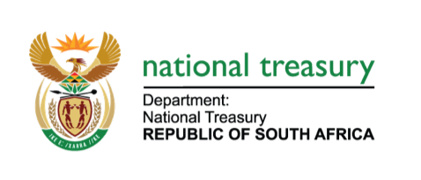
EMERGENCY MEDICAL SERVICES IN THE FREE STATE

Melanie Kesonk
Free State Provincial Treasury
18-Aug-19
Version No: 1

